README
MASTER LIST V4 README
This document is a master plankton species list designed to capture taxonomic and assigned trait information from UK pelagic datasets in one central location. Taxa are assigned relevant trait information for each taxa/entry to allow datasets to be converted into trait outputs for use in lifeform indicator tools (Plankton Index). The below provides more information on how the Master Taxa list should be used and interpreted.
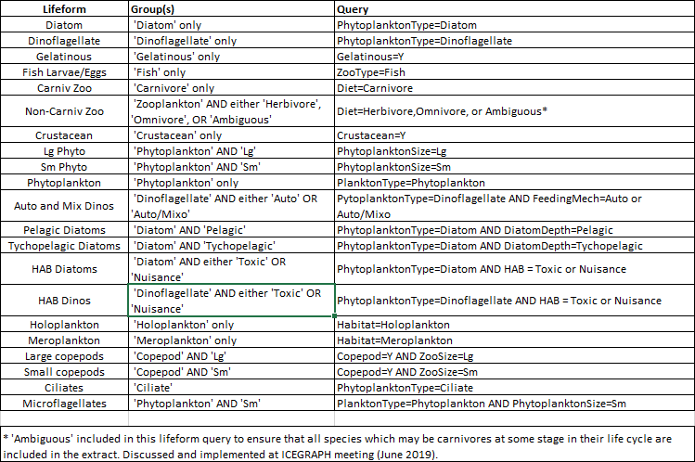

EXPLAINATION OF EACH FIELD:
AphiaID: | A database ID number generated from WoRMS (World Register of Marine Species). This is assigned to every line in the Master list and is the primary key/link which facilitates the match up from individual datasets to master list traits.
Taxon: | Taxa name or group from WoRMS
SizeClass: | Used to differentiate between taxa/groups that are of ambiguous size, but have size information recorded in the raw datasets. Acts as a secondary match (after Aphia ID) to ensure those taxa with size information recorded in the raw dataset, match to the correct trait in the master list. The size class is allocated using the largest available measurement for that taxa.
 | 1 = >20UM ('lg' trait)
 | 2 = <20UM ('Sm' trait)
QA Flag: | The likelihood of being able to identify a taxa by light microscopy by a reasonably competent person. Follows OBIS confidence criteria:
 | 0 – unverified
 | 1 - good
 | 2 - probable
 | 3 – uncertain – more confident at a higher taxonomic level
 | 4 – wrong
PlanktonType:
Copepod:
Crustacean:
Gelatinous:
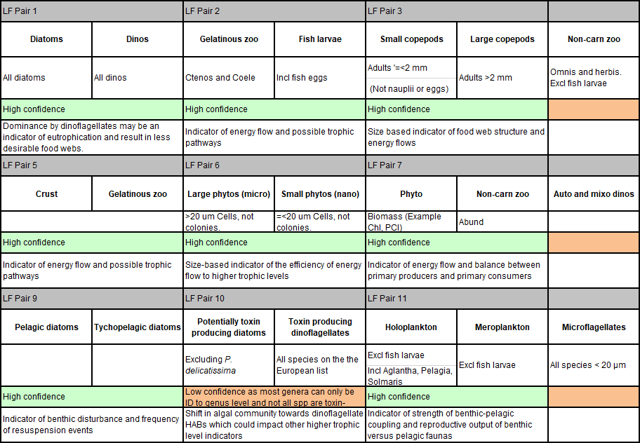
Habitat:
ZooType:
ZooSize:
Diet:
PhytoplanktonType:
PhytoplanktonSize:
DiatomDepth:
DinoFeedingMech:
HAB: | All taxa with an allocation of "Ambiguously Toxic" or "Nuisance" are potentially toxic or nuisance under certain conditions or geographical regions only.
PhytoHabitat:
Notes_Comments:
AFBI: | Agriculture, Food & Biosciences Institute
CEFAS: | Centre for the Environment, Fisheries & Aquaculture Sciences
EA: | Environment Agency
MBA: | Marine Biological Association
MSS: | Marine Science Scotland
PML: | Plymouth Marine Lab
SMHI: | Swedish Meteorological & Hydrographic Institute
SEPA: | Scottish Environmental Protection Agency
SAMS: | Scottish Association for Marine Science
Unallocated: | Not assigned to any current contributing institute
OPTIONS FOR EACH TRAIT:
Below is a list of acceptable options for each trait. To be consulted when adding new taxa or ajusting traits for existing entries.

PlanktonType: | Phytoplankton, Zooplankton, Cyanobacteria, Protozoa

Zooplankton-specific traits:

Copepod: | Y, N
Crustacean: | Y, N
Gelatinous: | Y, N
Habitat: | Holoplankton, Meroplankton, Ambiguous
ZooType: | Crustacean, Gastropod, Fish, Gelatinous, Tunicate, Echinoderm, Cladoceran, Cephalopod, Chaetognath, Mollusc, Bryozoan, Foraminifera, Protozoa, Hemichordate, Rotifer, Nematode, Ciliate, Phoronid, Polychaete, Radiolaria, Platyhelminth
ZooSize: | Sm, Lg, Ambiguous
Diet: | Omnivore, Carnivore, Parasite, Herbivore, Ambiguous

Phytoplankton-specific traits:

PhytoplanktonType: | Cercozoa, Charophyte, Chlorophyte, Chrysophyte, Ciliate, Cryptophyte, Cyanobacteria, Diatom, Dictyochophyte, Dinoflagellate, Euyarchaeote, Eustigmatophyceae, Haptophyte, Protozoa, Raphidophyte, Silicoflagellate, Xanthophyceae
PhytoplanktonSize: | Sm, Lg, Ambiguous
DiatomDepth: | Pelagic, Tychopelagic, Ambiguous, N/A
DinoFeedingMech: | Auto, Hetero, Mixo, Ambiguous, N/A
HAB: | Non-toxic, Ambiguously Toxic, Nuisance, Ambiguous
PhytoHabitat: | Marine, Freshwater, Terrestrial, Ambiguous

